Introduction
CRISIS INSIGHT LOGO |  | GLOBAL CRISIS SEVERITY INDEX (GCSI)
 |  |  |  | released: 31 January 2019

DISCLAIMER
This excel spreadsheet is not a public document, should not be forwarded outside the beta-tester group and should not be used to inform nor make any decisions.
The data is provided to the beta-testers for them to identify and raise possible concerns and challenges in the model.

The Glocla Crisis Severity Index (GCSI) is balbalbalbalbal

ACAPS identifies crisis balbalbalbal

The GCSI provides a balbalbalba… supports a decision making blablabla |  |  | INFORM expert working group developped this balbalba ACAPS role balbalba

Type of crisis
115
crisis identified
SUMMARY JANUARY
 |  |  |  |  | To discuss:

 |  |  |  |  | the issue about "complex crisis"

 |  |  |  |  | only show country level scores instead of crisis scores to mainiain a better overview?
Type of crisis
Complex | 41 |  |  |  | Have one graph shoing the overall crisis?
Displacement | 38
Conflict | 20
Drought | 10
Food security | 3
Epidemic | 1
Political and economic crisis | 1
Other | 1

Impact of the crisis
Afghanistan | 4.5
Conflict in Afghanistan | 4.4
Drought in Afghanistan | 3.3
Algeria | 2.6
Mixed migration flows in Algeria | 0.0
Sahrawi refugees in Algeria | 1.6
Venezuela displacement in Argentina | 1.5
Rohingya refugee crisis | 1.9
Mixed migration flows in Bosnia and Herzegovina | 1.5
Venezuela displacement in Brazil | 1.6
Conflict in Burkina Faso | 2.9
Political and economic crisis in Burundi | 3.8
Cameroon | 3.9
Boko Haram in Cameroon | 2.9
Anglophone Crisis in Cameroon | 2.9
CAR refugees in Cameroon | 2.8
CAR | 4.4
Chad | 3.5
Drought in Chad | 4.6
Boko Haram in Chad | 1.7
CAR refugees in Chad | 2.2
Darfur refugees in Chad | 2.5
Conflict (Tibesti) in Chad | 1.3
Colombia | 4.0
Venezuela displacement in Colombia | 3.8
Colombia complex crisis | 3.6
Pool conflict | 2.2
Djibouti | 2.7
Mixed migration crisis in Djibouti | 2.5
Drought in Djibouti | 2.6
DPRK | 3.5
DRC | 4.7
Venezuela displacement in Ecuador | 2.6
Syrian Refugee Crisis in Egypt | 1.7
El Salvador | 3.4
Eritrea | 3.9
Ethiopia | 3.8
Mixed migration flows in Greece | 1.7
Guatemala | 4.0
Haiti | 3.2
Honduras | 3.1
Indonesia | 2.6
Iraq | 3.9
Conflict in Iraq | 3.7
International Displacement (Syrians and PRS) in Iraq | 2.4
Mixed migration flows in Italy | 1.7
Jordan | 3.2
International Displacement (Syrians and PRS) in Jordan | 3.2
Palestinians refugees in Jordan | 2.0
International Displacement in Kenya | 2.2
...
Humanitarian conditions
Afghanistan | 4.0
Conflict in Afghanistan | 4.0
Drought in Afghanistan | 4.0
Algeria | 2.0
Mixed migration flows in Algeria | 0.0
Sahrawi refugees in Algeria | 2.0
Venezuela displacement in Argentina | 0.5
Rohingya refugee crisis | 3.0
Mixed migration flows in Bosnia and Herzegovina | 0.5
Venezuela displacement in Brazil | 1.0
Conflict in Burkina Faso | 2.5
Political and economic crisis in Burundi | 3.0
Cameroon | 4.0
Boko Haram in Cameroon | 3.5
Anglophone Crisis in Cameroon | 3.0
CAR refugees in Cameroon | 3.0
CAR | 3.5
Chad | 3.0
Drought in Chad | 2.0
Boko Haram in Chad | 3.0
CAR refugees in Chad | 1.5
Darfur refugees in Chad | 2.5
Conflict (Tibesti) in Chad | 0.0
Colombia | 3.5
Venezuela displacement in Colombia | 3.0
Colombia complex crisis | 3.5
Pool conflict | 2.0
Djibouti | 2.5
Mixed migration crisis in Djibouti | 1.5
Drought in Djibouti | 2.5
DPRK | 3.5
DRC | 4.5
Venezuela displacement in Ecuador | 2.0
Syrian Refugee Crisis in Egypt | 1.0
El Salvador | 1.5
Eritrea | 3.5
Ethiopia | 3.5
Mixed migration flows in Greece | 1.0
Guatemala | 3.0
Haiti | 3.5
Honduras | 1.5
Indonesia | 2.0
Iraq | 4.5
Conflict in Iraq | 4.5
International Displacement (Syrians and PRS) in Iraq | 2.0
Mixed migration flows in Italy | 0.5
Jordan | 1.0
International Displacement (Syrians and PRS) in Jordan | 1.0
Palestinians refugees in Jordan | 1.0
International Displacement in Kenya | 1.0
...
Complexity
Afghanistan | 4.1
Conflict in Afghanistan | 4.1
Drought in Afghanistan | 3.9
Algeria | 2.1
Mixed migration flows in Algeria | 1.9
Sahrawi refugees in Algeria | 1.9
Venezuela displacement in Argentina | 1.0
Rohingya refugee crisis | 2.6
Mixed migration flows in Bosnia and Herzegovina | 1.6
Venezuela displacement in Brazil | 1.8
Conflict in Burkina Faso | 2.6
Political and economic crisis in Burundi | 3.5
Cameroon | 3.8
Boko Haram in Cameroon | 3.5
Anglophone Crisis in Cameroon | 3.3
CAR refugees in Cameroon | 3.3
CAR | 3.8
Chad | 3.5
Drought in Chad | 3.5
Boko Haram in Chad | 3.5
CAR refugees in Chad | 3.0
Darfur refugees in Chad | 2.8
Conflict (Tibesti) in Chad | 2.6
Colombia | 3.1
Venezuela displacement in Colombia | 2.6
Colombia complex crisis | 3.1
Pool conflict | 2.8
Djibouti | 1.8
Mixed migration crisis in Djibouti | 1.6
Drought in Djibouti | 1.8
DPRK | 3.0
DRC | 4.2
Venezuela displacement in Ecuador | 1.7
Syrian Refugee Crisis in Egypt | 1.8
El Salvador | 2.2
Eritrea | 4.3
Ethiopia | 3.4
Mixed migration flows in Greece | 1.4
Guatemala | 2.1
Haiti | 2.1
Honduras | 2.5
Indonesia | 2.5
Iraq | 3.5
Conflict in Iraq | 3.5
International Displacement (Syrians and PRS) in Iraq | 3.5
Mixed migration flows in Italy | 1.4
Jordan | 1.9
International Displacement (Syrians and PRS) in Jordan | 1.9
Palestinians refugees in Jordan | 1.9
International Displacement in Kenya | 2.6
...
Regions affected
Asia | 4
Africa | 12
America | 8
Europe | 2
MENA | 8
Pacific | 2

 |  |  |  |  |  | Sheets

METHODOLOGY

The GCSI is based on three main pillars….

31 out of 74 indicators are collected by ACAPS and monitored on a daily basis. …

The remaining inficators balbalbalbal… INFROM groups provides imput …balbalbalba

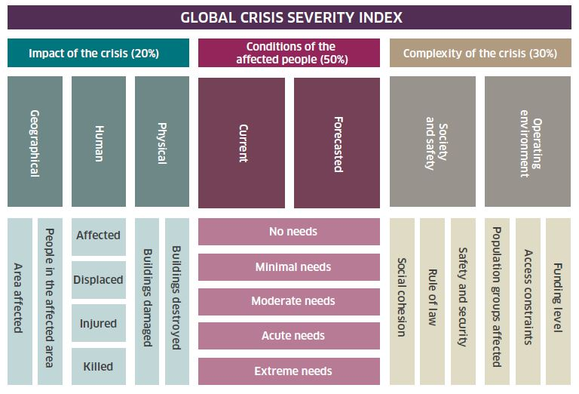

FURTHER CONTACT

For Further information www.acaps.org
CONTACT Caroline Draveny, Gead of communications: cd@acaps.org

